Foglio1
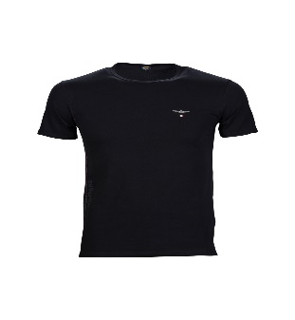
ARTICOLO | Modello | COL | S | M | L | XL | TOT | OFFER

AM-T500 | T-shirt | 100 | 4 | 12 | 18 | 52 | 85 | € 7.90 | € 672.63

AM-T500 | T-shirt | 101 | 1 | 13 | 17 | 50 | 81 | € 7.90 | € 641.03

AM-T500 | T-shirt | 103 | 13 | 33 | 44 | 74 | 165 | € 7.90 | € 1,300.11
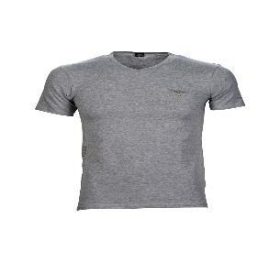
AM-T501 | T-shirt | 100 | 10 | 6 | 6 | 1 | 23 | € 7.90 | € 182.83

AM-T501 | T-shirt | 101 | 12 | 9 | 5 | 1 | 26 | € 7.90 | € 208.79

AM-T501 | T-shirt | 103 | 18 | 9 | 8 | 1 | 36 | € 7.90 | € 286.66

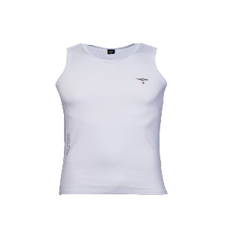
AM-T502 | Canotta | 100 | 34 | 37 | 28 | 15 | 113 | € 7.90 | € 894.96

AM-T502 | Canotta | 101 | 31 | 36 | 26 | 11 | 103 | € 7.90 | € 817.09

AM-T502 | Canotta | 103 | 37 | 37 | 35 | 20 | 129 | € 7.90 | € 1,015.71

AM-T400 | T-shirt | 102 | 6 | 3 | 7 | 3 | 20 | € 7.90 | € 159.13

AM-T400 | T-shirt | 104 | 10 | 6 | 6 | 3 | 25 | € 7.90 | € 198.63

AM-T400 | T-shirt | 105 | 11 | 7 | 6 | 1 | 24 | € 5.90 | € 144.13

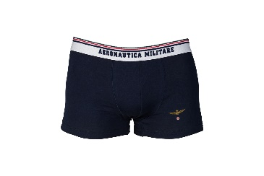
AM-B520 | Boxer | 102 | 3 | 2 | 41 | 50 | 97 | € 7.90 | € 767.43

AM-B520 | Boxer | 104 | 22 | 0 | 9 | 1 | 33 | € 7.90 | € 257.31

AM-B500 | Boxer | 100 | 12 | 7 | 6 | 2 | 27 | € 7.90 | € 215.56
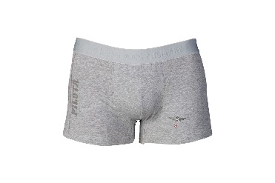
AM-B500 | Boxer | 101 | 25 | 32 | 50 | 69 | 176 | € 7.90 | € 1,391.53

AM-B500 | Boxer | 103 | 14 | 11 | 49 | 70 | 144 | € 7.90 | € 1,138.73

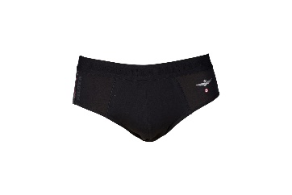
AM-S500 | Slip | 100 | 25 | 13 | 17 | 7 | 62 | € 7.90 | € 487.54

AM-S500 | Slip | 101 | 33 | 35 | 59 | 95 | 222 | € 7.90 | € 1,750.41

AM-S500 | Slip | 103 | 35 | 50 | 83 | 104 | 272 | € 7.90 | € 2,148.80

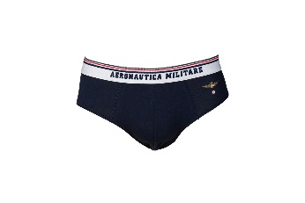
AM-S520 | Slip | 102 | 23 | 5 | 8 | 4 | 40 | € 7.90 | € 312.61

AM-S520 | Slip | 104 | 37 | 27 | 35 | 14 | 113 | € 7.90 | € 891.57

 |  |  |  |  |  |  | 2017 |  | € 15,883.19

